Design Sheet
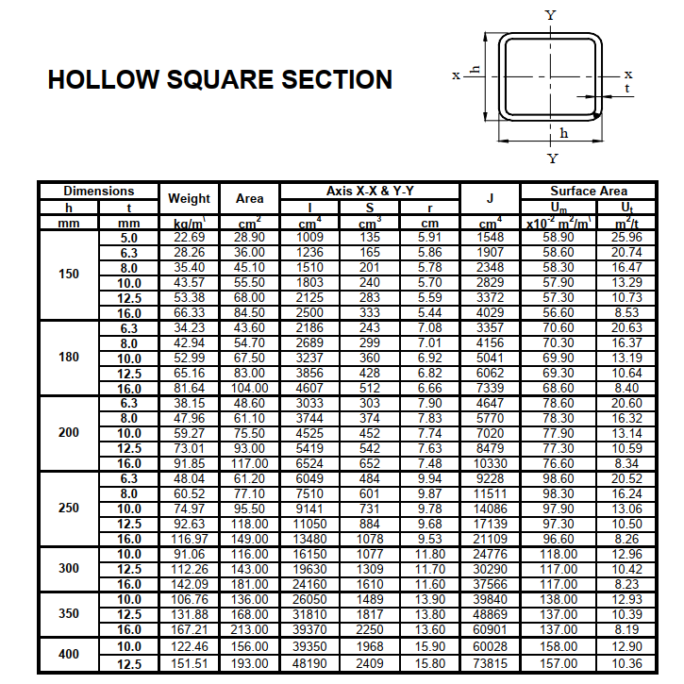
 |  |  |  |  | Design of Truss Member (Box) |  |  |  |  |  | Text in Red | Input
 |  |  |  |  |  |  |  |  |  |  | Text in Blue | List
 |  |  |  |  | Member ID |  | BC1 | Created by: |  | M Hosny | Text in Black | Output
 |  |  |  |  | Design Code |  | ECP-ASD | Checked by: |  | M Hosny

1- Member Data |  |  |  | 2- Design Force |  |  |  | 3- Material Data

L = | 410 | cm |  | Tension = | 6.3 | ton |  | Grade | 52
L b in = | 410 | cm |  | Comp. = | 6.3 | ton |  | Fy= | 3.6 | t/cm2
L b out = | 615 | cm |  |  |  |  |  | Fu= | 5.2 | t/cm2
O.W = | 59.74 | kg |  |  |  |  |  | E= | 2100 | t/cm2
 |  |  |  |  |  |  |  | γ s | 7.85 | t/m3

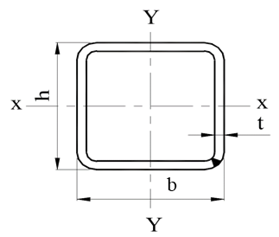
4- Section Properties |  |  |  |  |  |  |  |  |  |  |  | h-2t | 112
 |  |  |  |  |  |  |  |  |  |  |  | b-2t | 112
h= | 120 | mm
b= | 120 | mm
t= | 4 | mm
A = | 18.56 | cm2
Ix = | 416.73 | cm4
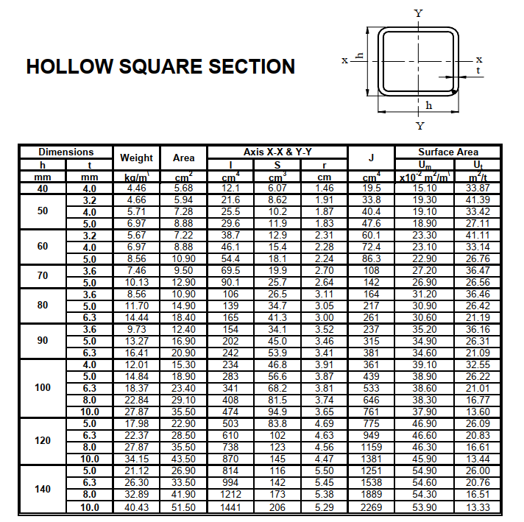
rx = | 4.74 | cm
Iy = | 416.73 | cm4
ry = | 4.74 | cm

5- Checks

a- Slenderness Condition

λ max = | 129.8 | < | 180 |  | OK

b- Length/depth ratio

d = | 12 | cm
L/d = | 34.166666667 | < | 60 |  | OK

c- Local buckling

h/t = | 30 | < | 64/√Fy | 33.73 | Ok

d- Check Tensile Stresses

ft (actual) | 0.34 | t/cm2 | < | Ft (All.) | 2.09 | t/cm2 | 0.16 |  | SAFE for Tension

e- Check Compression Stresses

fc (actual) | 0.34 | t/cm2 | < | FC (All.) | 0.45 | t/cm2 | 0.76 |  | SAFE for Compression

